Sort
Sort |  |  |  | You can use the sort or the filter function to achieve sorting
Using Excel Sort, you can easily sort your data.

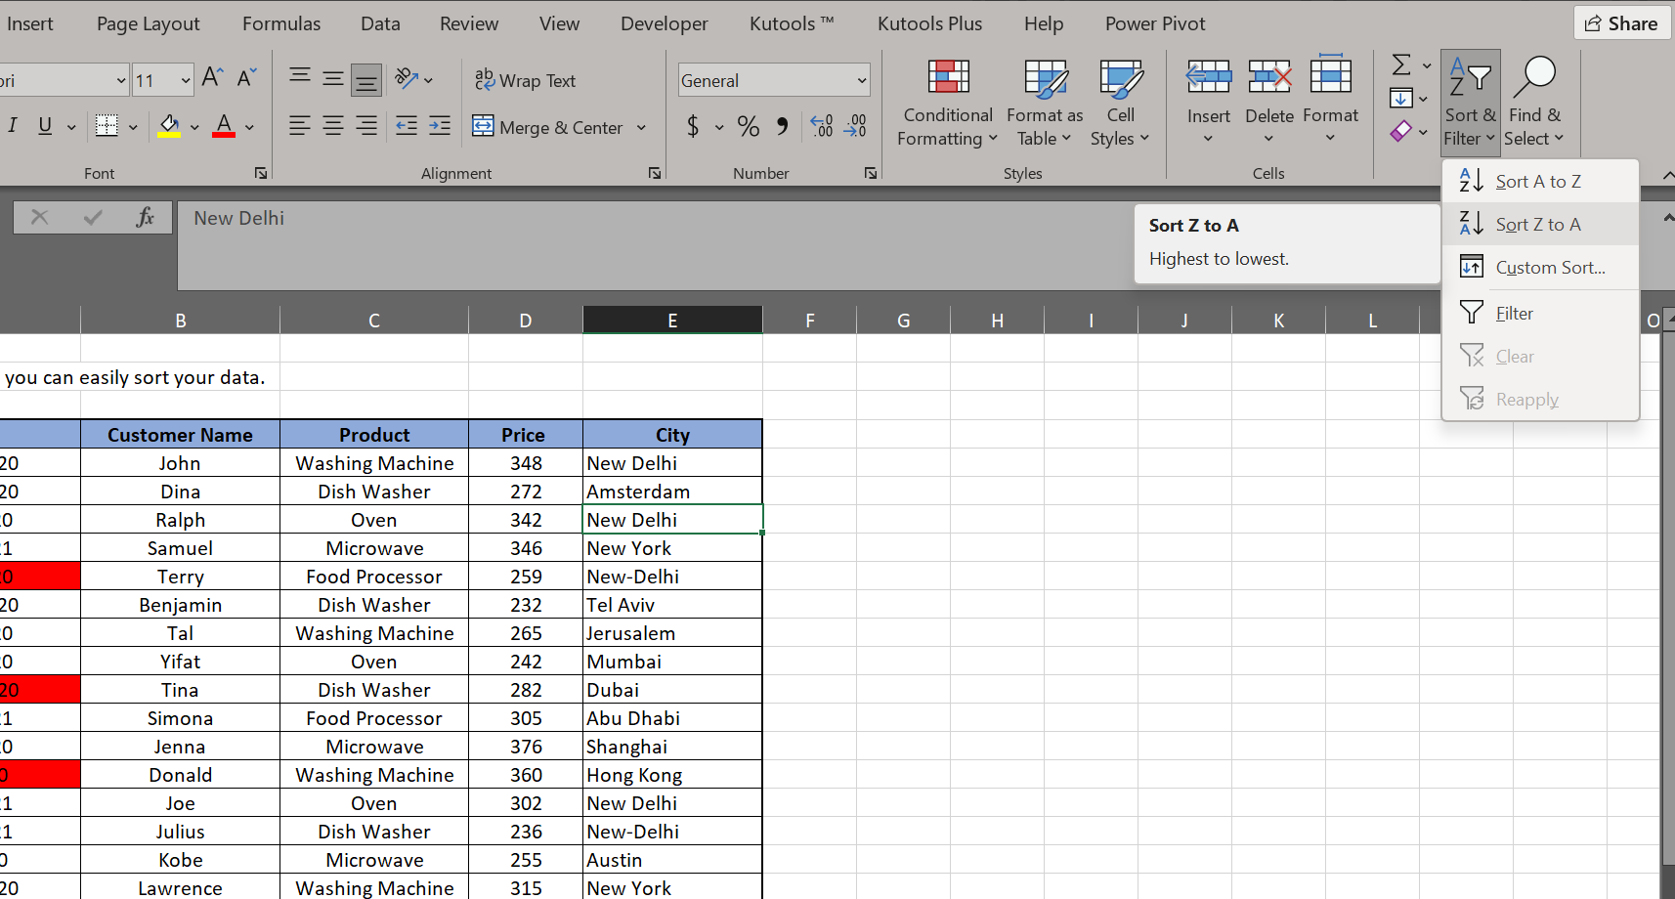
Date | Customer Name | Product | Price | City
2020-11-13 | Benjamin | Dish Washer | 232 | Tel Aviv
2021-01-27 | Julius | Dish Washer | 236 | New-Delhi
2020-08-14 | Yifat | Oven | 242 | Mumbai
2020-09-06 | Kobe | Microwave | 255 | Austin
2020-10-04 | Terry | Food Processor | 259 | New-Delhi
2020-11-06 | Tal | Washing Machine | 265 | Jerusalem
2020-12-20 | Dina | Dish Washer | 272 | Amsterdam
2020-10-21 | Tina | Dish Washer | 282 | Dubai
2021-01-15 | Joe | Oven | 302 | New Delhi
2021-01-14 | Simona | Food Processor | 305 | Abu Dhabi
2020-10-25 | Lawrence | Washing Machine | 315 | New York
2020-10-22 | Drake | Dish Washer | 331 | London
2020-11-02 | Ralph | Oven | 342 | New Delhi
2021-01-15 | Samuel | Microwave | 346 | New York
2020-11-16 | John | Washing Machine | 348 | New Delhi
2020-09-07 | Donald | Washing Machine | 360 | Hong Kong
2020-08-20 | Jenna | Microwave | 376 | Shanghai
2020-11-17 | Kirk | Washing Machine | 386 | Moscow

Flash Fill
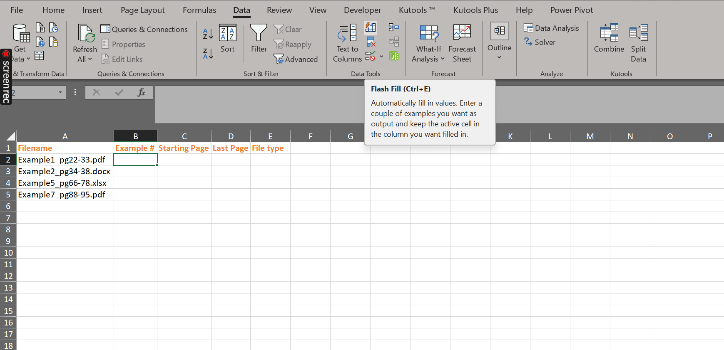
Filename | Example # | Starting Page | Last Page | File type
Example1_pg22-33.pdf | Example1 | pg22 | 33 | pdf
Example2_pg34-38.docx | Example2 | pg34 | 38 | docx
Example5_pg66-78.xlsx | Example5 | pg66 | 78 | xlsx
Example7_pg88-95.pdf | Example7 | pg88 | 95 | pdf

Duplicates
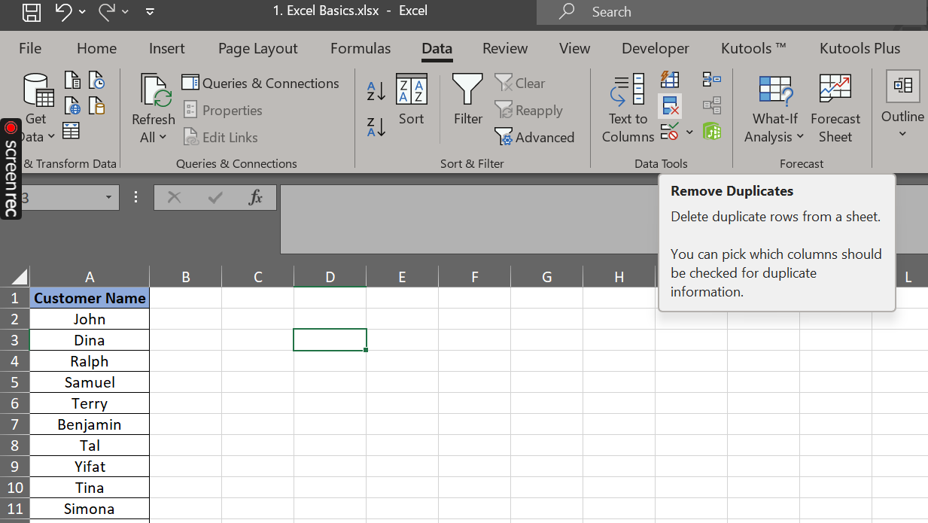
Customer Name
John
Dina
Ralph
Samuel
Terry
Benjamin
Tal
Yifat
Tina
Simona
Jenna
Donald
Joe
Julius
Kobe
Lawrence
Drake
Kirk

